Diagrams
BMS8A Temperature
 | Fire | Beam
0 | 20 | 20
1 | 604.63676079 | 429.24573255
2 | 727.36269597 | 515.15388718
3 | 777.36472992 | 550.15531095
4 | 812.60089741 | 574.82062819
5 | 842.2152116 | 595.55064812
6 | 868.07714725 | 613.65400308
7 | 890.90426675 | 629.63298673
8 | 911.17536116 | 643.82275281
9 | 929.27563653 | 656.49294557
10 | 945.52727053 | 667.86908937
11 | 960.20166423 | 678.14116496
12 | 973.52777966 | 687.46944576
13 | 985.69887175 | 695.98921022
14 | 996.87811638 | 703.81468147
15 | 1007.2033452 | 711.04234164
16 | 1016.7910332 | 717.75372323
17 | 1025.7396578 | 724.01776048
18 | 1034.1325288 | 729.89277014
19 | 1042.0401717 | 735.42812019
20 | 1049.5223365 | 740.66563554
21 | 1056.6296889 | 745.64078226
22 | 1063.4052361 | 750.3836653
23 | 1069.8855271 | 754.91986894
24 | 1076.1016642 | 759.27116493
25 | 1082.0801557 | 763.456109
26 | 1087.8436337 | 767.49054358
27 | 1093.4114588 | 771.38802119
28 | 1098.8002304 | 775.1601613
29 | 1104.0242156 | 778.81695095
30 | 1109.0957116 | 782.36699812
31 | 1094.4957151 | 772.14700056
32 | 1069.2697514 | 754.48882598
33 | 1044.0437877 | 736.8306514
34 | 1018.817824 | 719.17247683
35 | 993.59186035 | 701.51430225
36 | 968.36589667 | 683.85612767
37 | 943.13993298 | 666.19795309
38 | 917.9139693 | 648.53977851
39 | 892.68800561 | 630.88160393
40 | 867.46204193 | 613.22342935
41 | 842.23607825 | 595.56525477
42 | 817.01011456 | 577.90708019
43 | 791.78415088 | 560.24890561
44 | 766.55818719 | 542.59073103
45 | 741.33222351 | 524.93255646
46 | 716.10625982 | 507.27438188
47 | 690.88029614 | 489.6162073
48 | 665.65433245 | 471.95803272
49 | 640.42836877 | 454.29985814
...

BMS8A Displacements
 | End node | 1/4 node | Mid-node
0 | -5.9374619996E-17 | -0.26147911794 | -0.36642219333
0 | -1.1874910101E-16 | -0.52295643406 | -0.7328417654
0 | -1.7812338226E-16 | -0.78443191335 | -1.0992586717
0 | -2.3749746375E-16 | -1.045905526 | -1.4656728735
0 | -2.9687134548E-16 | -1.307377242 | -1.8320843322
0 | -3.5624502746E-16 | -1.5688470318 | -2.1984930089
0 | -4.1561850969E-16 | -1.8303148653 | -2.5648988651
0 | -4.7499179217E-16 | -2.0917807128 | -2.9313018619
0 | -5.3436487492E-16 | -2.3532445443 | -3.2977019608
0 | -5.9373775794E-16 | -2.6147063302 | -3.6640991231
0.125 | -6.4025679496E-16 | -3.7907947634 | -5.2344072545
0.25 | -7.0045397529E-16 | -5.0089275392 | -6.8730430911
0.375 | -7.6728639207E-16 | -6.073052826 | -8.3052157661
0.5 | -8.3310939556E-16 | -6.9891975062 | -9.5388359977
0.625 | -8.9411531833E-16 | -7.7705347775 | -10.591427914
0.75 | -9.4867853202E-16 | -8.4331612212 | -11.484483162
0.875 | -9.9635396812E-16 | -8.9936700462 | -12.240203102
1 | -1.037512964E-15 | -9.4678154964 | -12.879702223
1.5 | -1.1229589732E-15 | -10.759129293 | -14.622439424
2 | -1.1799007809E-15 | -11.720972794 | -15.926853122
3 | -1.2380182265E-15 | -13.314462202 | -18.099252987
4 | -1.2812196444E-15 | -14.676836757 | -19.959117982
5 | -1.3169536988E-15 | -16.079799064 | -21.885627055
6 | -1.3486344703E-15 | -17.273653282 | -23.52878554
7 | -1.3763001531E-15 | -18.394499308 | -25.073745116
8 | -1.4002142851E-15 | -19.55623221 | -26.685727411
9 | -1.4209721173E-15 | -20.832272341 | -28.483161178
10 | -1.4391250417E-15 | -22.262104446 | -30.516345513
11 | -1.4550449047E-15 | -23.892412351 | -32.848904876
12 | -1.4691068136E-15 | -25.756226088 | -35.520585791
13 | -1.4816103689E-15 | -27.912527976 | -38.619351951
14 | -1.493624653E-15 | -29.575755281 | -41.014341325
15 | -1.5055573163E-15 | -30.5722494 | -42.454608287
16 | -1.5166776317E-15 | -31.58657517 | -43.923366606
17 | -1.52710353E-15 | -32.626575172 | -45.433270566
18 | -1.5369549586E-15 | -33.700937057 | -46.997871305
19 | -1.546294685E-15 | -34.816130323 | -48.626449173
20 | -1.5551928793E-15 | -35.978332751 | -50.327733817
21 | -1.5637043833E-15 | -37.19401124 | -52.110927765
22 | -1.5711130683E-15 | -38.326742375 | -53.792041947
23 | -1.5747278179E-15 | -38.91017356 | -54.747252525
24 | -1.5781371702E-15 | -39.621308204 | -55.902664111
25 | -1.5813551061E-15 | -40.492280348 | -57.312086575
26 | -1.5844035716E-15 | -41.543869363 | -59.00660527
27 | -1.5872995248E-15 | -42.796985356 | -61.016650507
28 | -1.5900538181E-15 | -44.275096292 | -63.377003453
29 | -1.5927015779E-15 | -46.004580407 | -66.12717056
30 | -1.5952239081E-15 | -48.017872281 | -69.315977489
31 | -1.5862053957E-15 | -47.27508183 | -68.105836237
32 | -1.5687495013E-15 | -46.899044839 | -67.338874394
...

BMS8A Axial force at mid-node
 | Beam 16 | Beam 17
0 | -7.1957605846E-10 | -6.27790828E-10
0 | -4.1606978956E-09 | -2.2998578666E-09
0 | -4.1095712354E-09 | -2.3016787885E-09
0 | -3.8437300426E-09 | -2.0295450182E-09
0 | -4.2225575259E-09 | -2.3553887313E-09
0 | -4.7534591124E-09 | -2.6468726794E-09
0 | -3.5365231854E-09 | -1.515644471E-09
0 | -4.4132986432E-09 | -2.3878521105E-09
0 | -5.3422753998E-09 | -3.2456269339E-09
0 | -3.29651062E-09 | -1.6630002375E-09
0.125 | -1.136945289E-07 | -8.5513810699E-08
0.25 | -4.3642123693E-08 | -3.286513639E-08
0.375 | -9.8239878454E-09 | -8.1568627408E-09
0.5 | -2.8098972038E-09 | -1.8280141845E-09
0.625 | 1.8919799061E-10 | -1.2511236491E-10
0.75 | -1.2554711049E-08 | -9.021233538E-09
0.875 | -9.0473104564E-09 | -6.4550693679E-09
1 | -2.5339375043E-09 | -2.3993518283E-09
1.5 | -5.0953374853E-10 | -8.2208373442E-10
2 | -1.7362609128E-09 | -8.2845730276E-10
3 | -3.5037703036E-05 | -3.4062537843E-05
4 | -4.1645109459E-05 | -3.9887586766E-05
5 | -8.3667941908E-08 | -8.018427522E-08
6 | -3.3623095419E-09 | -2.7494095889E-09
7 | -1.0313989662E-09 | -9.8174623986E-10
8 | 0.00017631201849 | 0.00024441659306
9 | 1.193572885E-08 | 1.3065424298E-08
10 | 1.4323314517E-06 | 1.1320194737E-06
11 | 1.7189627499E-09 | 1.1877858697E-09
12 | 1.4037375706E-09 | 1.1628991103E-09
13 | 1.0181082644E-09 | 8.1525897144E-10
14 | 4.0827785597E-10 | 2.5231372547E-10
15 | 3.2485421642E-07 | 3.152049679E-07
16 | 2.6873762344E-06 | 2.4511059529E-06
17 | -1.7190409096E-09 | 1.9307666577E-08
18 | 9.3968921533E-09 | 9.1295149218E-09
19 | 6.1569167542E-09 | 5.7239297746E-09
20 | 5.1859778694E-09 | 5.4587836473E-09
21 | 3.3255247445E-09 | 3.7706548994E-09
22 | -3.5579937219E-08 | -1.5585057511E-07
23 | -9.656275779E-12 | 3.9844749722E-10
24 | 8.1850615175E-10 | 4.2155079427E-10
25 | 2.3035322982E-07 | 1.9684333097E-07
26 | -5.9700511201E-10 | -9.698872816E-10
27 | -2.3941989724E-08 | -2.4156999956E-08
28 | -3.8885517029E-10 | -7.3640649134E-11
29 | -2.4420288014E-10 | -2.3292301421E-10
30 | -1.3645262698E-10 | -1.428475116E-10
31 | -3.3690992396E-07 | -3.3862400528E-07
32 | -4.3425206577E-06 | -4.9581789412E-06
...

Deflected shape
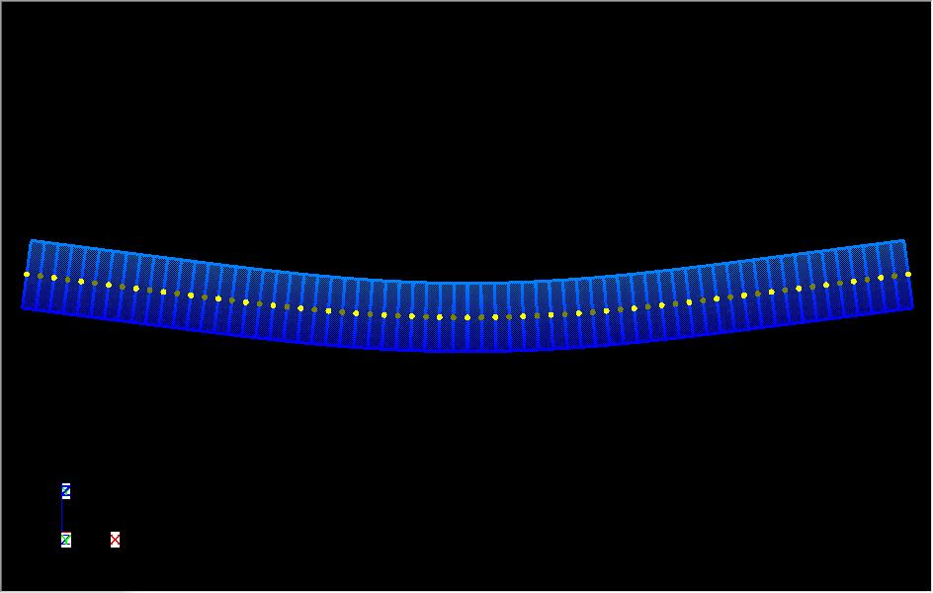
BMS8A

NB. This displacments shown above are scale by a factor of 10 in all direction.

